Sheet Data
Step # | Sub Process | Tools | Tool Spec | Special Instruction | Skill (SK) | Time (min) | Image
Filing (50 min)
1 | Hole Making | Round Bar | 10 No. | Ensures holes are round, no rough surface to be present | SK | 15 | 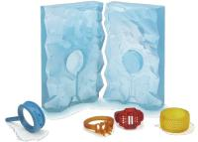
2 | Finishing | Emmery Paper | 400 | - | SK | 20 | 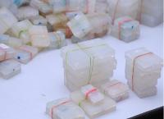
3 | Chain Insertion | - | - | Insert through the holes and ensure no obstruction is there. | SK | 15 | 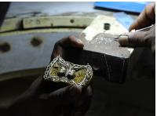
Chain Making (45 min)
1 | Jumpring Fitting | Plyer | - | Left end of chain from front view of BCT | SK | 10 | 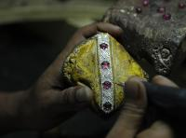
2 | Chain Measurement | Measuring Scale | - | Mark on 2cm & 19cm. | SK | 5 | 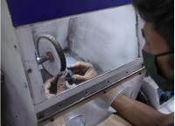
2 | Chain Measurement | Cutter | - | Cut on the mark | SK | 5 | 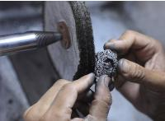
3 | Jumpring Fitting | Plyer | - | Joint the cut chain by jumpring | SK | 10
4 | Lock Fitting | Plyer | - | Attach the lock with Jumpring at 19cm mark and close the lock. | SK | 5 | 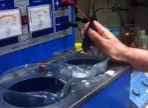
5 | Laser Welding on Jumpring Joints | - | - | - | SK | 10
Filing (40 min)
1 | Sprue Finishing | Black Stone | - | - | SK | 10
2 | Burnishing | English Burnish | 36 Facet | - | SK | 10
3 | Finishing | Emmery Paper | 400 | - | SK | 10
4 | Jumpring Finishing | Pencil Buff | - | - | SK | 10
Test (10 min)
1 | Test Sub | Test Tool | Spec | Ins | - | 10 | 